Sheet1
HACKATHON DAY 2 PLANING THE TECHNICAL FOUNDATION

 |  | DAY 2 ACTIVITIES: TRASITINING TO TECHNICAL PLANING

1 | DEFINE TECHNICAL REQUIRMENTS

 |  | FRONTEND REQUIRMENTS

 |  |  | USER-FRIENDLY INTERFACE FOR BROWSING PRODUCTS:

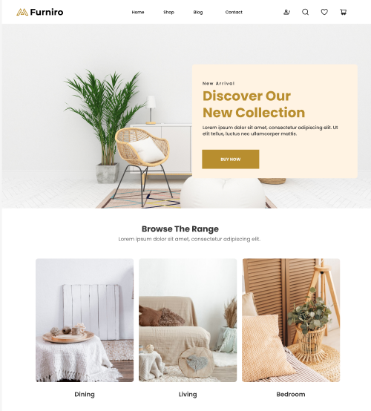

 |  |  | 1. Header Section

 |  |  | Brand Logo: The logo "Furniro" is placed at the top left, representing the website's identity.
 |  |  | Navigation Menu: Includes categories like:
 |  |  | Home
 |  |  | Shop
 |  |  | Blog
 |  |  | Contact
 |  |  | Icons: On the right, there are interactive icons for functionality, such as:
 |  |  | User account/login
 |  |  | Search
 |  |  | Wishlist
 |  |  | Shopping cart

 |  |  | 2. Hero Section

 |  |  | Main Image: A high-quality image of a furniture setup grabs attention immediately.
 |  |  | Call to Action (CTA):
 |  |  | A heading, "Discover Our New Collection," with supporting text encourages user engagement.
 |  |  | A prominently displayed "Buy Now" button invites users to take action.
 |  |  | Background: Clean and minimal white space enhances the modern, premium feel.

 |  |  | RESPONSIVE DESIGN FOR MOBILE AND DESKTOP USERS

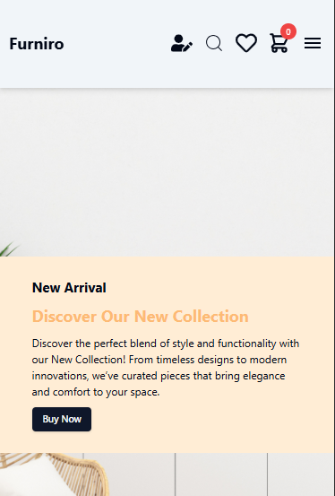

 |  |  | 1. Header (Navigation):

 |  |  | Mobile: Compact layout with a hamburger menu, icons (profile, search, wishlist, cart), and logo aligned for easy access.
 |  |  | Desktop: Horizontal navigation with more space between elements for better visibility.

 |  |  | 2. Content Section (New Arrival):

 |  |  | Mobile: Stacked layout with text and button centered for scrolling convenience. The content fits within the viewport.
 |  |  | Desktop: Wider layout with more whitespace for better readability, ensuring the text and button are prominent.

 |  |  | 3. Call-to-Action (CTA):

 |  |  | Mobile: Button is touch-friendly and centrally aligned for easy interaction.
 |  |  | Desktop: Larger button with balanced placement within the content area for quick action.

 |  |  | 4. Visual Hierarchy:

 |  |  | Both views maintain focus on the "New Arrival" section with bold text and contrasting colors for titles and buttons.
 |  |  | Images and text scale appropriately to ensure readability and usability on all screen sizes.

 |  |  | ESSENTIAL PAGES

 |  |  | 1. Home:
 |  |  | The landing page showcasing featured products, promotions, and navigation to other sections.

 |  |  | 2. Product Listing:
 |  |  | Displays a catalog of products with filtering and sorting options for easy browsing.

 |  |  | 3. Product Details:
 |  |  | Provides in-depth information about a selected product, including images, description, price, and "Add to Cart" option.

 |  |  | 4. Cart:
 |  |  | Shows a summary of selected items, quantities, prices, and a button to proceed to checkout.

 |  |  | 5. Checkout:
 |  |  | Collects shipping, billing, and payment details to finalize the purchase.

 |  |  | 6. Order Confirmation:
 |  |  | Displays a receipt with order details, payment confirmation, and estimated delivery information.

 |  | SANITY CMS AS BACKEND

 |  |  | I am using Sanity CMS as the backend for my project to efficiently manage and deliver content. Here's why I chose it:

 |  |  | 1. Headless CMS:
 |  |  | It allows me to separate the backend from the frontend, providing flexibility to use frameworks like Next.js or React.

 |  |  | 2. Customizable Schemas:
 |  |  | I can define and manage custom content structures tailored to my project's requirements using JavaScript.

 |  |  | 3. Real-Time Updates:
 |  |  | Content changes are reflected instantly, enabling seamless collaboration and fast iteration.

 |  |  | 4. API Integration:
 |  |  | Sanity’s powerful GraphQL and REST APIs make data delivery smooth and efficient for my frontend.

 |  |  | 5. Media Handling:
 |  |  | Built-in tools for managing images and files simplify multimedia content management.

 |  |  | 6. Scalable Solution:
 |  |  | Sanity scales with my project, ensuring reliable performance even as the application grows.

 |  |  | By using Sanity CMS, I’ve streamlined my content management workflow, making the development process faster and more efficient.

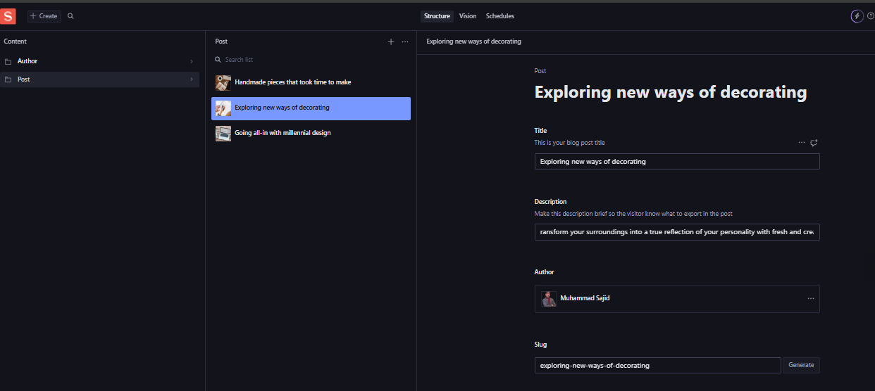

 |  | THIRD PARTY APIs

 |  |  | I am using TCS API via ClickPost to enable efficient shipment tracking for my project. Here’s why it’s a great choice:

 |  |  | 1. Real-Time Shipment Tracking:
 |  |  | The API provides live updates on the status of TCS shipments, ensuring users always have accurate information about their packages.

 |  |  | 2. Estimated Delivery Dates:
 |  |  | It displays expected delivery dates, helping customers plan better and reducing inquiries about shipment timelines.

 |  |  | 3. Non-Delivery Report Updates:
 |  |  | The API highlights reasons for non-delivery (e.g., address issues, recipient unavailable), enabling proactive resolution of delivery problems.

 |  |  | 4. Seamless Integration:
 |  |  | ClickPost simplifies the integration process, offering a user-friendly way to connect with the TCS API in my application.

 |  |  | 5. Scalability:
 |  |  | It is designed to handle multiple shipments efficiently, making it ideal for small businesses and large-scale e-commerce operations.

 |  |  | By leveraging the TCS API via ClickPost, I can enhance the shipment tracking experience for my customers, providing them with real-time updates and better transparency throughout the delivery process.

 |  |  | I am implementing JazzCash, Easypaisa, and HBL Payment Gateway as payment solutions for my project. Here's how each one will enhance the payment experience:

 |  |  | 1. JazzCash

 |  |  | Why JazzCash?
 |  |  | Widely trusted for local transactions, ensuring better customer confidence.
 |  |  | Allows payments through mobile wallets, debit/credit cards, and direct bank transfers.
 |  |  | Offers secure and real-time payment processing, reducing delays.
 |  |  | How I’ll Use It:
 |  |  | Enable customers to pay directly via their mobile wallet or linked bank accounts.
 |  |  | Integrate JazzCash's API to handle transactions on the e-commerce platform securely.

 |  |  | 2. Easypaisa

 |  |  | Why Easypaisa?
 |  |  | A leading mobile payment solution in Pakistan with extensive user adoption.
 |  |  | Supports payments through mobile wallets, QR codes, and bank transfers, providing flexibility to customers.
 |  |  | Quick and straightforward API integration, ideal for e-commerce.
 |  |  | How I’ll Use It:
 |  |  | Offer multiple payment methods (wallets, QR code scanning) to enhance customer convenience.
 |  |  | Utilize its secure infrastructure for seamless payment processing.

 |  |  | 3. HBL Payment Gateway

 |  |  | Why HBL Payment Gateway?
 |  |  | Direct integration with HBL accounts, ensuring faster settlements.
 |  |  | Supports debit/credit card payments for both Visa and MasterCard.
 |  |  | Provides real-time transaction updates and robust security features.
 |  |  | How I’ll Use It:
 |  |  | Process card payments for customers who prefer bank-based transactions.
 |  |  | Leverage HBL’s strong banking network to provide a reliable payment system.

2 | DESIGN SYSTEM ARCHITECTURE

 |  | FRONTEND

 |  |  | Next.js

 |  |  |  |  |  | PRODUCT PAGE
 |  |  | SANITY CMS

 |  |  |  |  | PRODUCT DATA API | SHOW PRODUCT | ADD TO CART/CART PAGE

 |  |  | THIRD PARTY API

 |  |  |  |  | SHIPMENT TRACKING API |  | PAYMENT METHOD

 |  | PAYMENT GATEWAY

 |  |  | 1. A user visits the marketplace frontend to browse products.
 |  |  | 2. When a user navigates to the product page, A single product will be displayed, showing its title, price, description, images and more.
 |  |  | 3. user will have the option to add the product to their cart or wishlist.
 |  |  | 4. The frontend makes a request to the Product Data API (powered by Sanity CMS)
 |  |  | to fetch product listings and details, which are displayed dynamically on the site.
 |  |  | 5. When the user places an order, the order details are sent to Sanity CMS via an
 |  |  | API request, where the order is recorded.
 |  |  | 6. Shipment tracking information is fetched through a Third-Party API and
 |  |  | displayed to the user in real-time.
 |  |  | 7. Payment details are securely processed through the Payment Gateway, and a
 |  |  | confirmation is sent back to the user and recorded in Sanity CMS.

3 | PLAN API REQUIRMENTS

 |  |  | END POINT | METHOD | DESCRIPTION | RESPONSE

 |  |  | /PRODUCT | GET | Get all product details | { "id": 1, "name": "Product A", "price": 100 }

 |  |  | /PRODUCT | GET | Fetch all available products from Sanity. | Product details (ID, name, price, stock, image).

 |  |  | /ORDERS | POST | Create a new order in Sanity. | Customer info, product details, payment status.

 |  |  | /SHIPMENT | GET | Track order status via third-party API. | Shipment ID, order ID, status, expected delivery date.

4 | SANITY SCHEMA

 |  |  | export default {
 |  |  | name: 'product',
 |  |  | type: 'document',
 |  |  | fields: [
 |  |  | { name: 'name', type: 'string', title: 'Product Name' },
 |  |  | { name: 'price', type: 'number', title: 'Price' },
 |  |  | { name: 'stock', type: 'number', title: 'Stock Level' },
 |  |  | { name: 'description', type: 'string', title: 'Descriptionl' },
 |  |  | { name: 'rating', type: 'string', title: 'Rate' },
 |  |  | { name: 'discount', type: 'string', title: 'Discount' }
 |  |  | { name: 'category', type: 'string', title: 'Category' }
 |  |  | ]
 |  |  | };

